Case #1
Justin Pope Dev Test
Test Case No. |  | 1
Process |  | Unit Testing
Test Consideration |  | 1) SSMS 2) Visual Studio
Test Condition |  |  | Data Used | How To Verify | Actual Results
Tasks
 |  | Unit Testing |  |  | Screen Shots below
Configuration/Data Setup for Testing Scenario
Verification
Test Cast Screens Shots Before and After

 | Unit Test: | Test_cDataContext_GetEmailRepsByBranch
 | Description | Within visual studio, this test executes functions and sql procedures to build the list of recipients that will receive emails

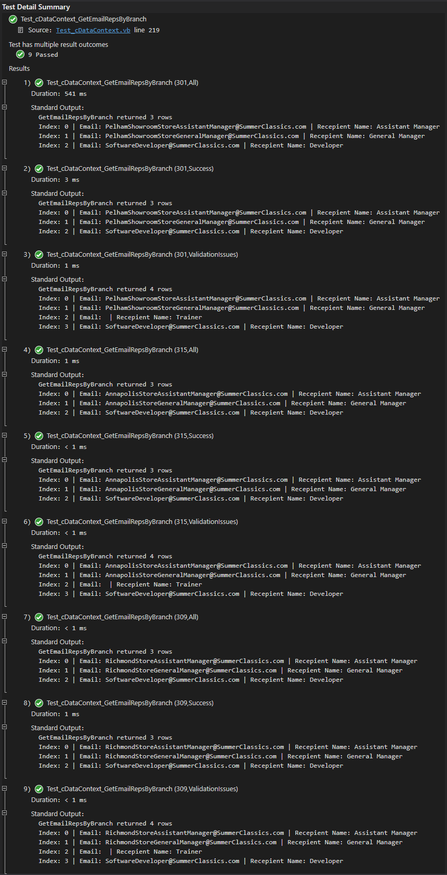

 | Unit Test: | Test_cDataContext_GetEmailRepsByBranch
 | Description | Within visual studio, this test executes functions and sql procedures to build the list of recipients that will receive emails

